Sheet1
 |  | CHASSIS B
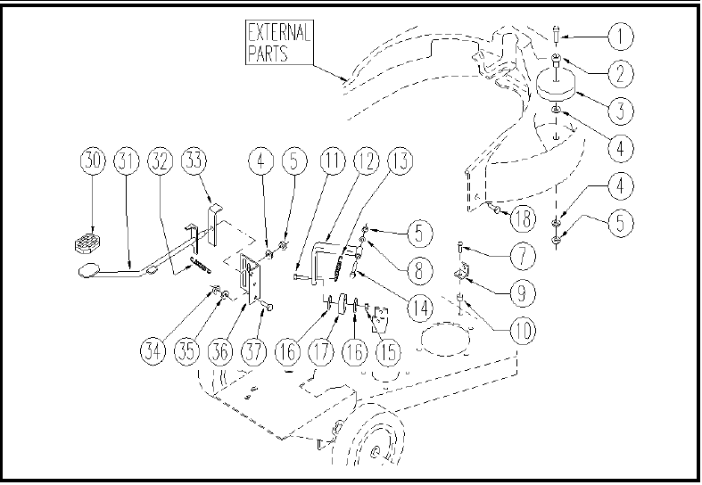

ITEM | SKU | DESCRIPTION | QTY
1 | E87863 | Screw WS20/24 | 1
2 | E87862 | Spacer WS20/24 | 1
3 | E86451 | AS20 Wheel | 1
4 | E86878 | Washer | 3
5 | E86853 | Self-locking nut M8 | 3
7 | E87917 | Screw | 1
8 | E86879 | Washer | 1
9 | LAFN05185 | SMALL SQUARE | 1
10 | E86453 | AS20 Bushing | 1
11 | VTVT00836 | SCREW TE M12-60 INOX | 1
12 | LAFN05620 | LEVER ARM | 1
13 | E86378 | spring WS20 | 1
14 | VTVT15917 | SCREW TE M 8X50 INOX A2 UNI | 1
15 | VTDD00131 | NUT M.12 AUT. DIN 982 ZINC | 1
16 | E89206 | Washer | 2
17 | E86317 | wheel WS20 | 1
18 | VTVT01004 | SCREW TC+ M4 X 10 | 2
30 | E87807 | Foot Petal pad WS20/24 | 1
31 | E89105 | Foot pedal, caster release | 1
32 | E89200 | Spring WS20 | 1
33 | E89160 | Lever WS20 | 1
34 | VTDD00157 | NUT M. 6 DIN 985 ZN | 2
35 | E86427 | Washer for AS20 | 2
36 | E89503 | Bracket WS20 | 1
37 | E86475 | AS20 Screw TE M .6-20 | 2

